Earnings
Trading Comparables Valuation

Workout
 | Calculate EBIT, EBITDA and recurring EPS for 2015 and 2014 using financial extracts for Groundwood Inc.
 | Assume other expense net is non-recurring. Assume asset dispositions are recurring.

 | Income statement
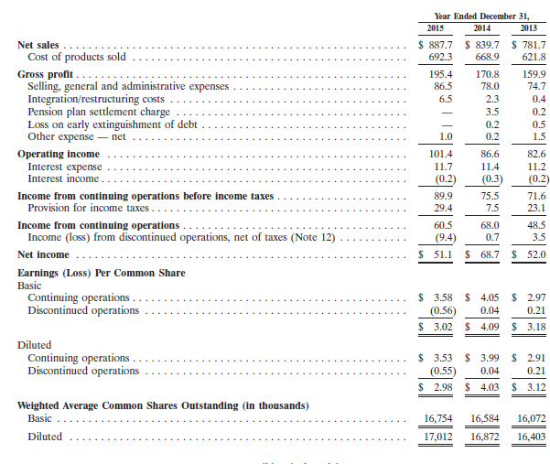

 | Cash flow statement
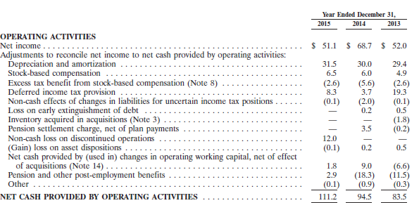

 | Tax footnote

 |  | 2014 | 2015
 | Operating income | 86.6 | 101.4
 | Integration/restructuring costs | 2.3 | 6.5
 | Pension plan settlement charge | 3.5 | 0.0
 | Loss on early extinguishment of debt | 0.2 | 0.0
 | Other expense — net | 0.2 | 1.0
 | EBIT | 92.8 | 108.9

 | Depreciation and amortization | 30.0 | 31.5
 | EBITDA | 122.8 | 140.4

 | Marginal tax rate | 37.1% | 37.1%

 | Net income | 68.7 | 51.1
 | Income (loss) from discontinued operations | (0.7) | 9.4
 | Continuing net income | 68.0 | 60.5
 | Integration/restructuring costs post tax | 1.4 | 4.1
 | Pension plan settlement charge post tax | 2.2 | 0.0
 | Loss on early extinguishment of debt post tax | 0.1 | 0.0
 | Other expense — net post tax | 0.1 | 0.6
 | Adjusted continuing net income | 71.9 | 65.2
 | Diluted weighted average shares outstanding | 16.9 | 17.0
 | Recurring EPS | 4.26 | 3.83

